Deterministic LCCA
Rutger's Example |  |  |  |  |  |  | Hypothetical Scenario

INPUT |  |  |  |  |  |  | INPUT

Project Detail |  |  |  |  |  |  | Project Detail
Project site: | Interstate-80 |  |  |  |  |  | Project site: | A hypothetical bridge
Construction type (Pavement/bridge): | Bridge Deck |  |  |  |  |  | Construction type (Pavement/bridge): | Bridge Deck
State: | New Jersey |  |  |  |  |  | State:
Milepost from: | 61.1901306 | To | 61.3100552 |  |  |  | Milepost from: |  | To
Structure Length (feet): | 231.9 |  |  |  |  |  | Structure Length (feet):
Structure Width (feet): | 154.8 |  |  |  |  |  | Structure Width (feet):
Comments: | Bridge build in 1963 |  |  |  |  |  | Comments: | A hypothetical example

Analysis Option |  |  |  |  |  |  | Analysis Option
Alternatives: | Alternative A: | Class A Conventional Concrete |  |  |  |  | Alternatives: | Alternative A: | Alternative A
 | Alternative B: | Fiber reinforced self-consolidating concrete (FR-SCC) |  |  |  |  |  | Alternative B: | Alternative B
Analysis period (years): | 75 |  |  |  |  |  | Analysis period (years):
Discount rate (%): | 3% |  |  |  |  |  | Discount rate (%):
Service Life (years): | Alternative A: | 30 | Alternative B: | 39 |  |  | Service Life (years): | Alternative A: |  | Alternative B:
Material Unit Price ($/cubic yard): | Alternative A: | 91.06 | Alternative B: | 97.95 |  |  | Material Unit Price ($/cubic yard): | Alternative A: |  | Alternative B:
Construction Unit Cost ($/square feet): | Alternative A: | 167.00 | Alternative B: | 173.35 |  |  | Construction Unit Cost ($/square feet): | Alternative A: |  | Alternative B:
Design/Lab testing Cost (if available) ($) | Alternative A: | N/A | Alternative B: | N/A |  |  | Design/Lab testing Cost (if available) ($) | Alternative A: |  | Alternative B:
Material Mix | Alternative A: | Cement, Water, Coarse Aggregate, Fine Aggregate, Air Entraining Agent, High-Range Water Reducer | Alternative B: | Cement, Slag, Water, Coarse Aggregate, Fine Aggregate, Air Entraining Agent, High-Range Water Reducer, Steel fiber |  |  | Material Mix | Alternative A: |  | Alternative B:
Material Distribution | Refer to sheet "Material Distribution" for details |  |  |  |  |  | Material Distribution
Key deterioration mode | Based on NBI condition rating |  |  |  | Rehab Workzone Schedule | Y/N | Key deterioration mode
Deterioration function/model | (Please refer to "Deterioration" sheet for examples |  |  |  | 12AM - 1AM | Y | Deterioration function/model
 |  |  |  |  | 1AM-2AM | Y
Traffic Data |  |  |  |  | 2AM-3AM | Y | Traffic Data
Average Daily Traffic (ADT) (veh/day): | 114,739 |  |  |  | 3AM-4AM | Y | Average Daily Traffic (ADT) (veh/day):
Trucks as percentage of ADT (%): | 1.55% |  |  |  | 4AM-5AM | Y | Trucks as percentage of ADT (%):
Annual Growth Rate of Traffic (%): | 0.5% |  |  |  | 5AM-6AM | Y | Annual Growth Rate of Traffic (%):
Lanes opened under normal condition: | Inbound | 4 | Outbound | 5 | 6AM-7AM | N | Lanes opened under normal condition: | Inbound |  | Outbound
Value of time ($/hr): | Passenger cars: | 11.58 | Trucks: | 20.43 | 7AM-8AM | N | Value of time ($/hr): | Passenger cars: |  | Trucks:
 |  |  |  |  | 8AM-9AM | N
Work Zone Input |  |  |  |  | 9AM-10AM | N | Work Zone Input
Maintenance Schedule (Every XX years): | Alternative A: | 5 | Alternative B: | 5 | 10AM-11AM | Y | Maintenance Schedule (Every XX years): | Alternative A: |  | Alternative B:
Rehabilitation Schedule (Every XX years): | Alternative A: | 30 | Alternative B: | 39 | 11AM-12PM | Y | Rehabilitation Schedule (Every XX years): | Alternative A: | 0 | Alternative B: | 0
Maintenance Duration (days): | Alternative A: | 10 | Alternative B: | 10 | 12PM-1PM | Y | Maintenance Duration (days): | Alternative A: |  | Alternative B:
Rehabilitation Duration (days): | Alternative A: | 60 | Alternative B: | 54 | 1PM-2PM | Y | Rehabilitation Duration (days): | Alternative A: |  | Alternative B:
Number of Maintenance activity: | Alternative A: | 14 | Alternative B: | 14 | 2PM-3PM | Y | Number of Maintenance activity: | Alternative A: | 0 | Alternative B: | 0
Number of Rehabilitation activity: | Alternative A: | 2 | Alternative B: | 1 | 3PM-4PM | N | Number of Rehabilitation activity: | Alternative A: | 0 | Alternative B: | 0
Number of lanes opened during work zone: |  |  |  |  | 4PM-5PM | N | Number of lanes opened during work zone:
Maintenance: | Alternative A: | 2 | Alternative B: | 2 | 5PM-6PM | N | Maintenance: | Alternative A: |  | Alternative B:
Rehabilitation: | Alternative A: | 1 | Alternative B: | 1 | 6PM-7PM | N | Rehabilitation: | Alternative A: |  | Alternative B:
Capacity (vehs/hour/lane) | Workzone: | 1480 | Non-workzone: | 1900 | 7PM-8PM | Y | Number of hours per day during work zone:
Numbr of workzone hours (per day) | 15 |  |  |  | 8PM-9PM | Y | Rehabilitation: | Alternative A: |  | Alternative B:
Free Flow Speed (miles/hour): | Alternative A: | 65 | Alternative B: | 65 | 9PM-10PM | Y | Free Flow Speed (miles/hour): | Alternative A: |  | Alternative B:
Work Zone Speed during maintainence (miles/hour): | Alternative A: | 40 | Alternative B: | 40 | 10PM-11PM | Y | Work Zone Speed during maintainence (miles/hour): | Alternative A: |  | Alternative B:
Work Zone Speed during rehabilitation (miles/hour): | Alternative A: | 20 | Alternative B: | 20 | 11PM-12AM | Y | Work Zone Speed during rehabilitation (miles/hour): | Alternative A: |  | Alternative B:

OUTPUT |  |  |  |  |  |  | OUTPUT
Agency Cost |  |  |  |  |  |  | Agency Cost
Initial Construction Cost ($): | Alternative A: | 4,546,198 | Alternative B: | 4,718,952 |  |  | Initial Construction Cost ($): | Alternative A: | 0 | Alternative B: | 0
Maintenance Cost ($): | Alternative A: | 1,246,915 | Alternative B: | 1,294,298 |  |  | Maintenance Cost ($): | Alternative A: | 0 | Alternative B: | 0
Rehabilitation Cost: |  |  |  |  |  |  | Rehabilitation Cost:
(A) Replace the structure (price include demolition&traffic control)($): | Alternative A: | 3,487,402 | Alternative B: | 1,964,869 |  |  | (A) Replace the structure (price include demolition&traffic control)($): | Alternative A: | 0 | Alternative B: | 0
(B) Approach roadway work (Lump Sum)($): | Alternative A: | 174,370 | Alternative B: | 98,243 |  |  | (B) Approach roadway work (Lump Sum)($): | Alternative A: | 0 | Alternative B: | 0
(C) Traffic Staging ($): | Alternative A: | 732,354 | Alternative B: | 412,623 |  |  | (C) Traffic Staging ($): | Alternative A: | 0 | Alternative B: | 0
(D) Preliminary Engineering($): | Alternative A: | 366,177 | Alternative B: | 206,311 |  |  | (D) Preliminary Engineering($): | Alternative A: | 0 | Alternative B: | 0
Total Rehabilitation Cost (s): | Alternative A: | 4,760,304 | Alternative B: | 2,682,046 |  |  | Total Rehabilitation Cost (s): | Alternative A: | 0 | Alternative B: | 0
Salvage Value ($): | Alternative A: | -445,758 | Alternative B: | -71,184 |  |  | Salvage Value ($): | Alternative A: | 0 | Alternative B: | 0
Total Agency Cost ($): | Alternative A: | $10,107,659 | Alternative B: | $8,624,112 |  |  | Total Agency Cost ($): | Alternative A: | $0 | Alternative B: | $0

User Cost |  |  |  |  |  |  | User Cost
Traffic Delay Cost ($): | Alternative A: | $24,075,037 | Alternative B: | $11,438,064 |  |  | Traffic Delay Cost ($): | Alternative A: | #REF! | Alternative B: | #REF!
Vehicle Operation Cost ($): | Alternative A: | $1,609,830 | Alternative B: | $765,661 |  |  | Vehicle Operation Cost ($): | Alternative A: | #REF! | Alternative B: | #REF!
Crash Risk Cost ($): | Alternative A: | $26,881 | Alternative B: | $13,117 |  |  | Crash Risk Cost ($): | Alternative A: | #REF! | Alternative B: | #REF!
Total User Cost ($): | Alternative A: | $25,711,747 | Alternative B: | $12,216,841 |  |  | Total User Cost ($): | Alternative A: | #REF! | Alternative B: | #REF!

Social Cost (Environmental/Energy Cosumption) |  |  |  |  |  |  | Social Cost (Environmental/Energy Cosumption)
Air Pollution Cost ($): | Alternative A: | $6,847 | Alternative B: | $3,341 |  |  | Air Pollution Cost ($): | Alternative A: | #REF! | Alternative B: | #REF!
Noise Cost ($): | Alternative A: | N/A | Alternative B: | N/A |  |  | Noise Cost ($): | Alternative A: | N/A | Alternative B: | N/A
Energy Consumption Cost ($): | Alternative A: | N/A | Alternative B: | N/A |  |  | Energy Consumption Cost ($): | Alternative A: | N/A | Alternative B: | N/A
Total Social Cost ($): | Alternative A: | $6,847 | Alternative B: | $3,341 |  |  | Total Social Cost ($): | Alternative A: | #REF! | Alternative B: | #REF!

User Cost Factor: | 0.3 |  |  |  |  |  | User Cost Factor:
Social Cost Factor: | 1 |  |  |  |  |  | Social Cost Factor:

Total Life Cycle Cost |  |  |  |  |  |  | Total Life Cycle Cost
Network Present Value ($): | Alternative A: | $17,828,031 | Alternative B: | $12,292,506 |  |  | Network Present Value ($): | Alternative A: | #REF! | Alternative B: | #REF!
Recommended Alternative: | Alternative B (New Material) |  |  |  |  |  | Recommended Alternative: | #REF!
Favorite Alternative Benefit: | Agency Cost |  | 14.68% |  |  |  | Favorite Alternative Benefit: | Agency Cost |  | 0.00%
 | User Cost |  | 52.49% |  |  |  |  | User Cost |  | 0.00%
 | Social Cost |  | 51.20% |  |  |  |  | Social Cost |  | 0.00%
 | Total Life Cycle Cost |  | 31.05% |  |  |  |  | Total Life Cycle Cost |  | 0.00%

Network Present Value ($)
 | Network Present Value ($):
Alternative A: | $17,828,031
Alternative B: | $12,292,506
Network Present Value ($)
 | Network Present Value ($):
Alternative A: | $0
Alternative B: | $0

Material Mix
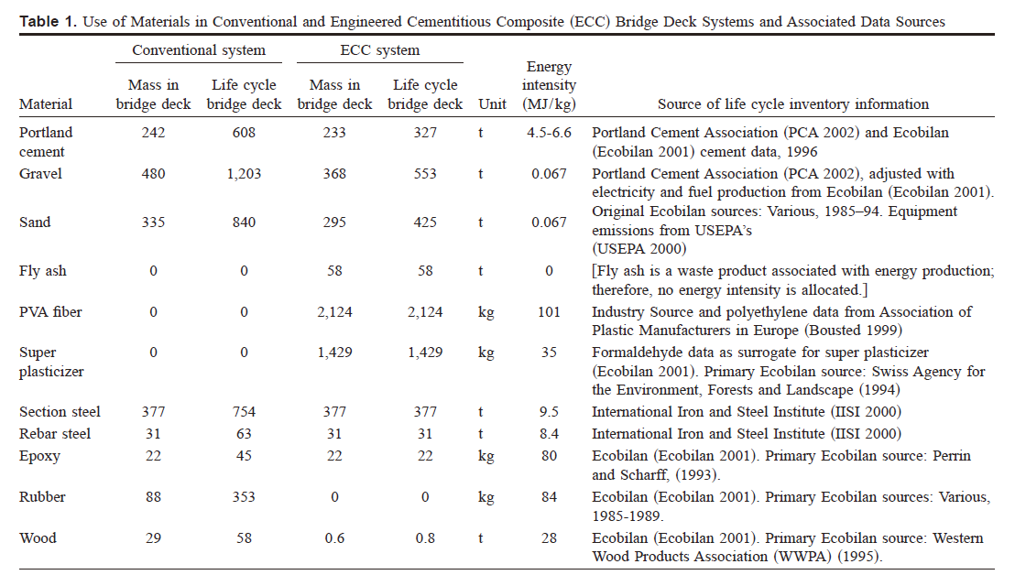
Material Mix and Distributions
Rutgers Example

 | Cost of Material for 1 cubic yard
 | Materials and Admixtures | Conventional (Class A) | Unit cost | Cost, $ | FR-SCC (0.2% fiber) | Unit cost | Cost,$
 | Type I Cement, lb | 611 | 0.10638297872 | 65 | 439 | 0.10706150342 | 47
 | Grade 120 Slag, lb | 0 | 0 |  | 236 | 0.050847457627 | 12
 | Water, lb | 263 | 0.0060483870968 | 1.5907258065 | 287 | 0.0052264808362 | 1.5
 | Coarse Aggregate, lb | 1640 | 0.0066666666667 | 10.933333333 | 1436 | 0.0090529247911 | 13
 | Fine Aggregate (Sand), lb | 1350 | 0.0066666666667 | 9 | 1436 | 0.0066155988858 | 9.5
 | Air Entraining Agent, ozs | 4.5 | 0.28571428571 | 1.2857142857 | 0 | 0.28571428571 | 0
 | High-Range Water Reducer, ozs | 24 | 0.10860655738 | 2.606557377 | 95 | 0.10833333333 | 10.291666667
 | Fiber, Lbs | 0 | 0 |  | 25.92 | 0.24691358025 | 6.4
 | Total cost, $ |  |  | 90.416330803 |  |  | 99.691666667

Mix proportions for typical NJDOT Class A concrete |  |  |  | Mix design for FR-SCC at different fiber percentage by volume (0, 0.1, 0.15, 0.2)
(http://cait.rutgers.edu/files/FHWA-NJ-2000-003.pdf)
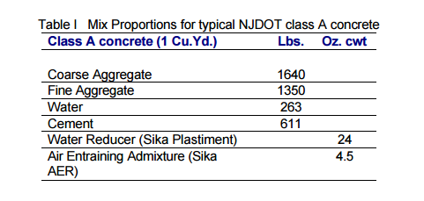

Eample A: Conventional Bridge/ECC bridge

Deterioration
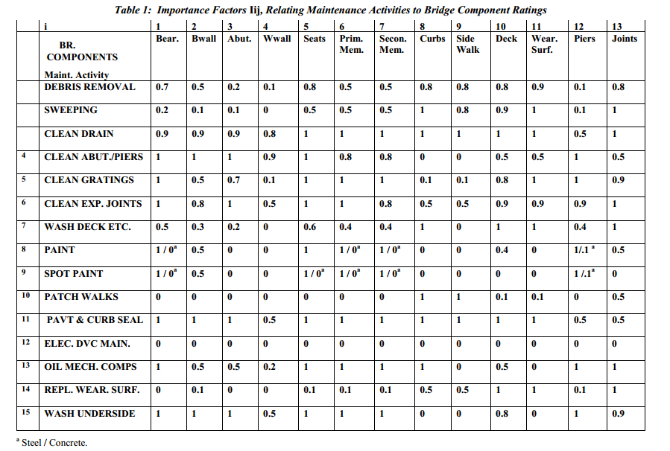
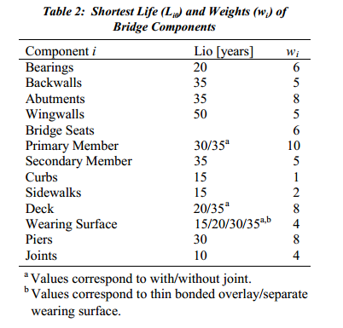
Deterioration Model/Curves | Other Deterioration Model Example
Rutger's Example | Example A: A general pavement deterioration curve
 | (Rancho Palos Verdes Biennial Pavement Management Update, Draft Report – May 15, 1997)
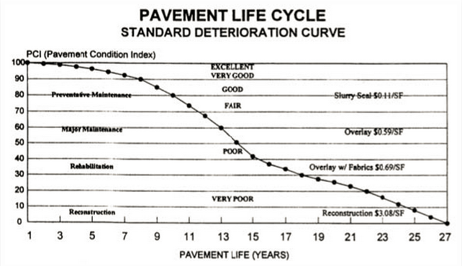
In this example, a third order polynomial regression equation was estimated based on the NBI database to represent the deterioration of conventional bridge decks on Interstate-80.
Since FR-SCC has enhanced performance on preventing cracking, we assume its deterioration curve will be stretched with the average improvement rate before reaching to Rating 6 (minimum rating before cracking), then follows the same deterioration rate until Rating 4 (minimum acceptable rating).

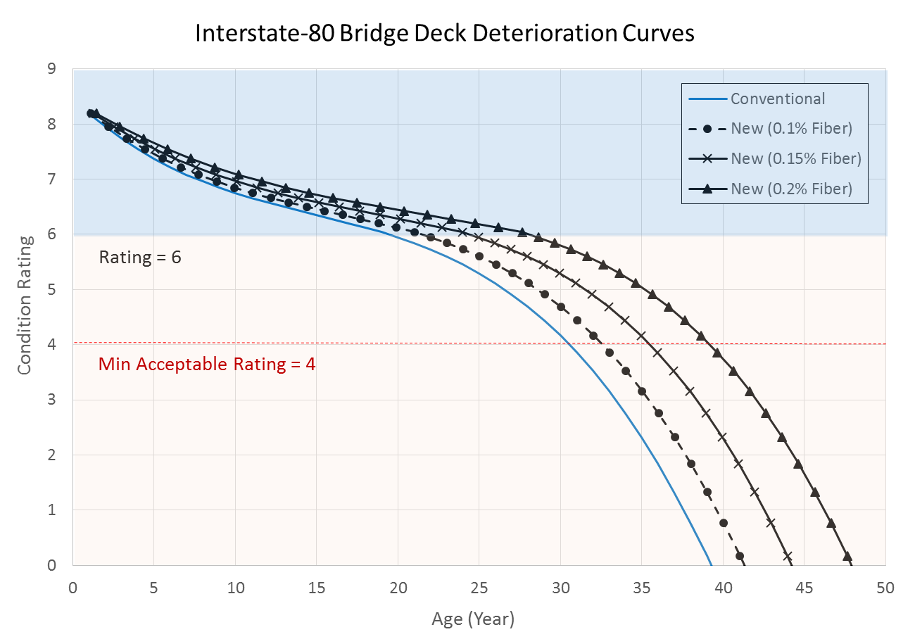

 | Example B: A simple linear deterioration function example
 | (Reference: Mohammadi et. al , 1995)
 | Deck Condition Rating = 9-0.119 *(AGE)-2.158E- 6*(ADT*AGE/10)
 | Assume maintenance action occurs when condition rating falls below 3.5.)
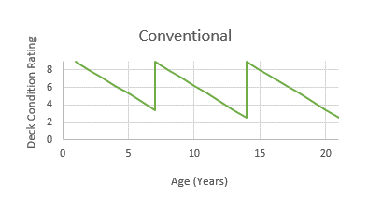

 | Example C: Deterioration Curve used in ECC pavement
 | (Zhang et. Al. An integrated life cycle assessment and life cycle analysis model for pavement overlay systems, 2008)

 | In Michigan, a Distress Index (DI), which represents a holistic measure of pavement condition, (including surface roughness and deterioration), is used rather than IRI to gauge pavement conditions.
 | It depends on many factors such as temperature, traffic flow and load, types of pavements, and age of pavement.
 | Currently, MDOT uses a threshold of DI of 50 to indicate the need for overlay reconstruction.
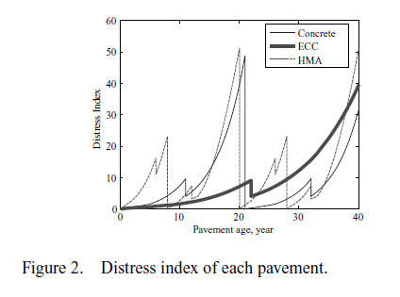

 | Example D: A bridge Deterioration Model Example (from the same author for the deterioration model used in ECC bridge example)
 | (Yanev and Testa, Life Cycle Performance of Bridge Components in New York City, 1999)

 | The overall bridge condition rating R can be expressed as a function of the condition ratings Ri of the 13 bridge components in Table 2
 | (Bear, Bwall,Abut, Wwall, Seats,Prim. Mem., Secon. Mem., Curbs, Side Walk, Deck, Wear. Surface, Piers, Joints)

 | where: kei are the normalized values of the weight factors wi, shown in Table 2, Ri are the condition ratings of the 13 bridge components listed in Table 2.

 | The condition rating of each bridge component deterioration rate ri is:

 | where: ri1 and ri0 are the deterioration rates at “full” and at no maintenance, Mij are the maintenance levels for the 15 maintenance operations of Table 1, kij are the normalized values of the influence factors Iij listed in Table 1.

 | The expected bridge life L can be expressed in terms of the known bridge life at no maintenance L0 and the expected bridge life at “full” maintenance L1 as follows:

